CRS785
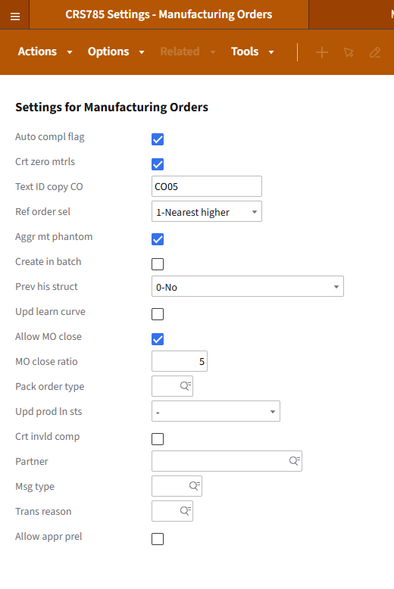
CRS785 - Settings - Manufacturing Orders

CRS775
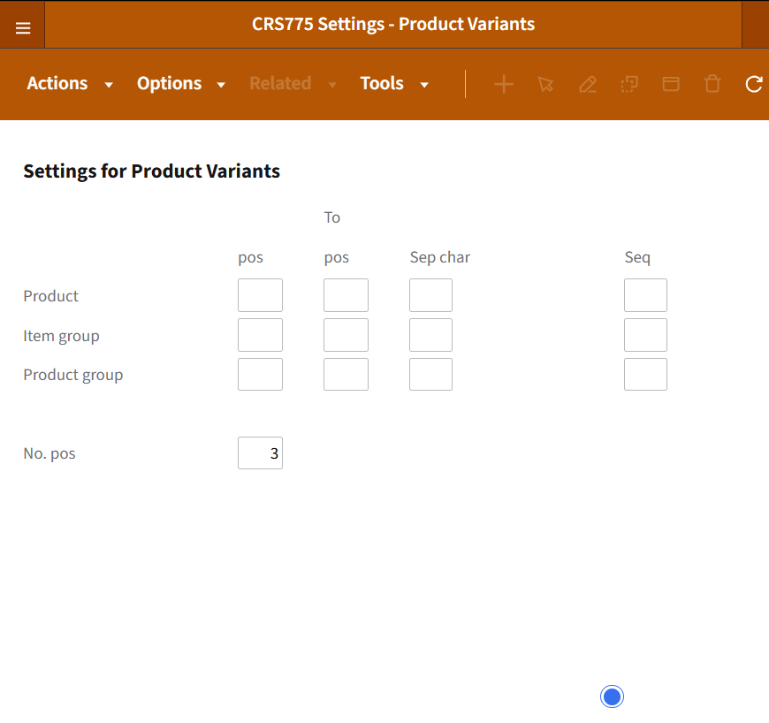

CRS760
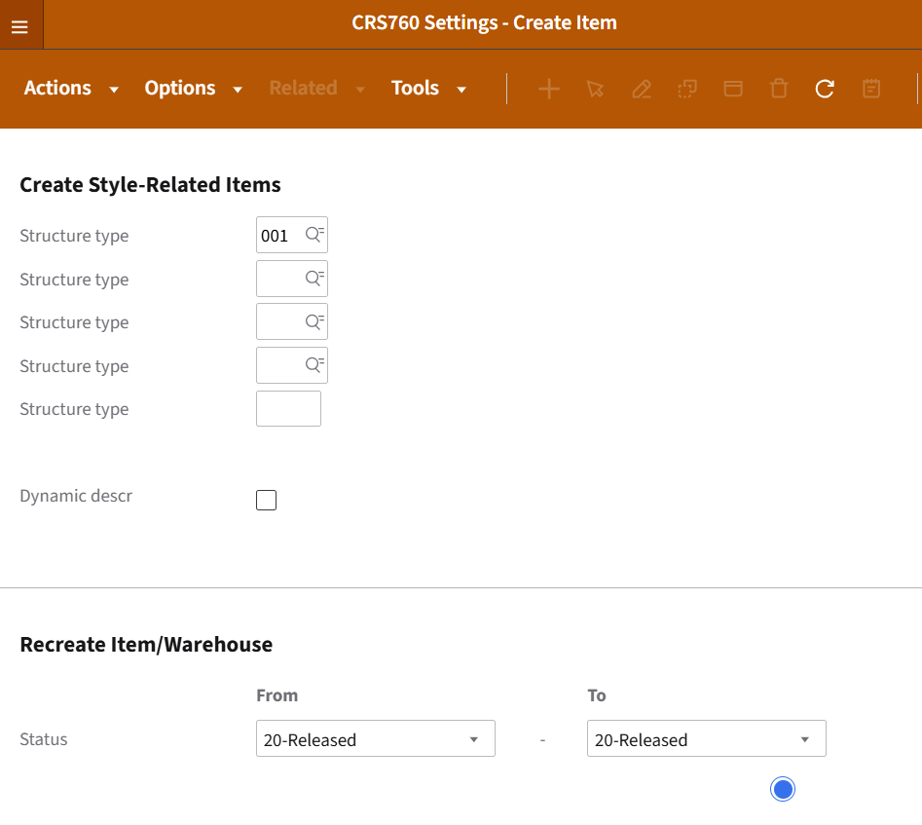

CRS585
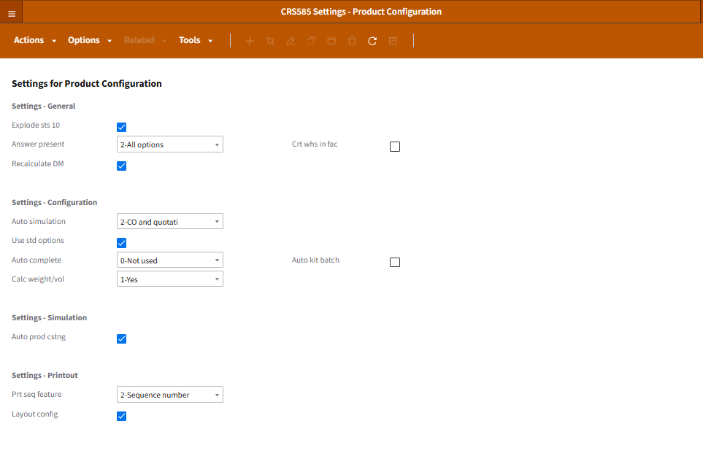
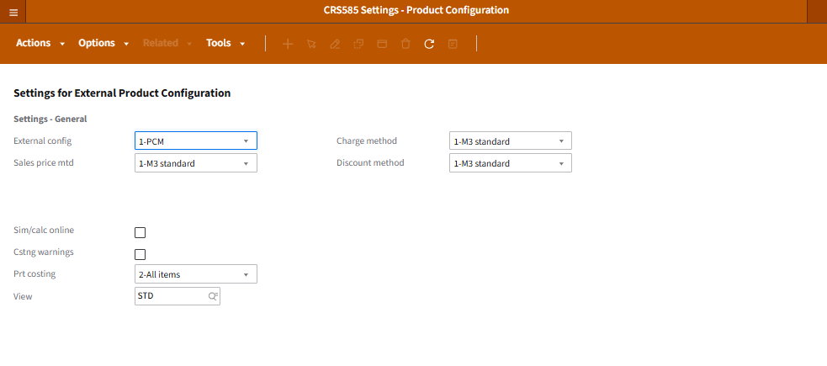
CRS585 - Settings Product Configuration

FCS300
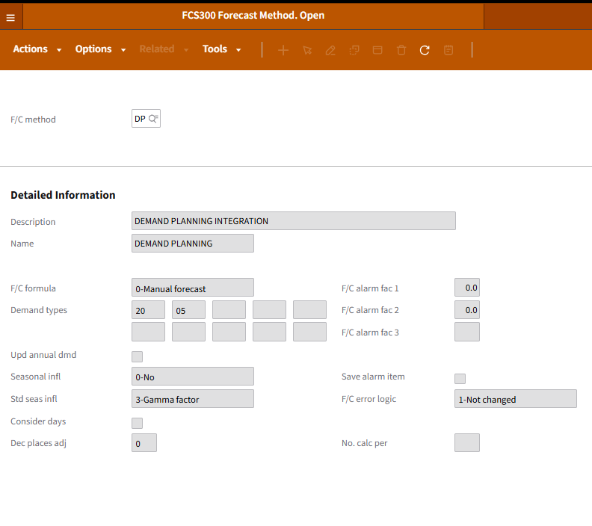
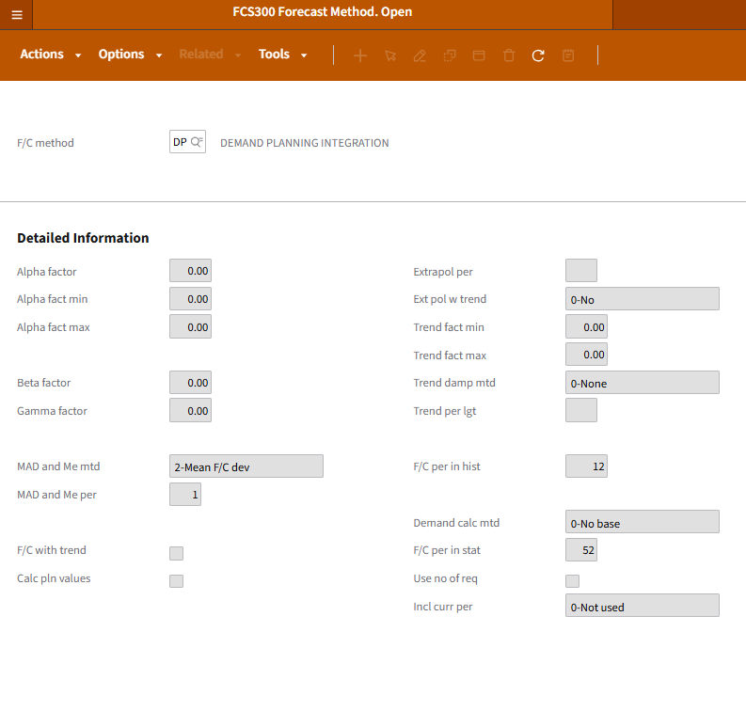
FCS300 - FORECAST METHOD

FCS305
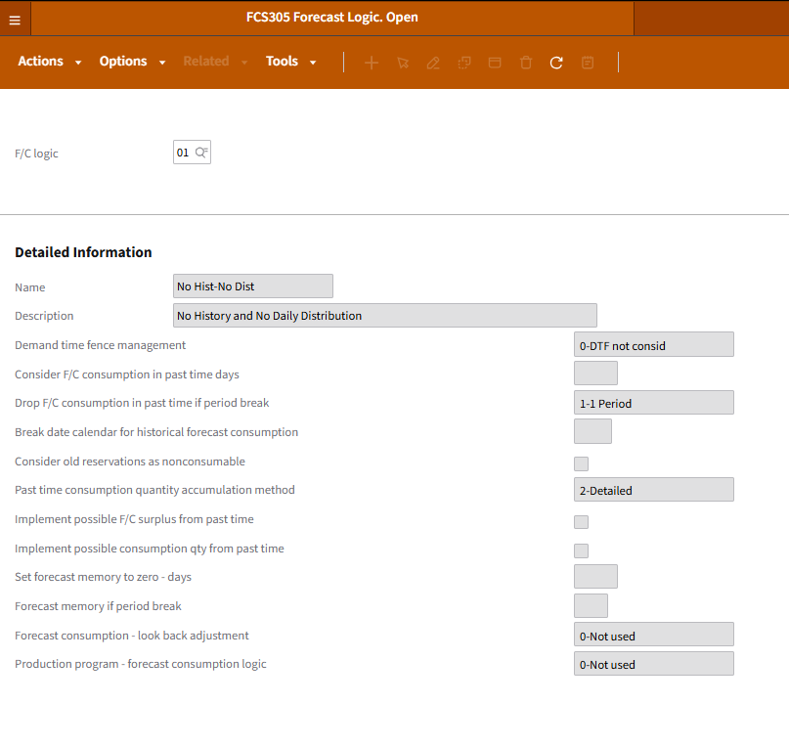
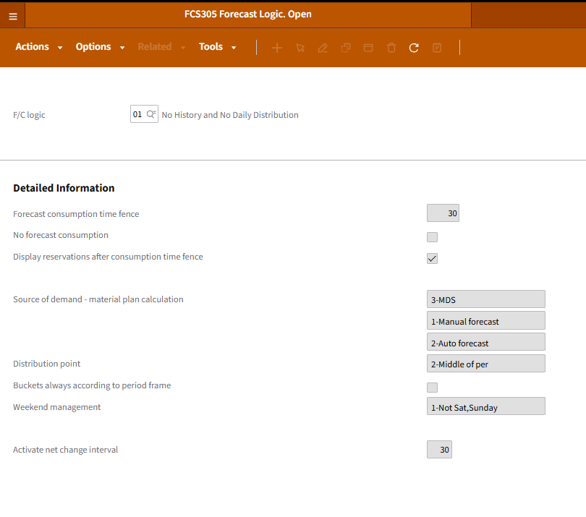
FCS305 - FORECAST LOGIC

CRS087 CRS787
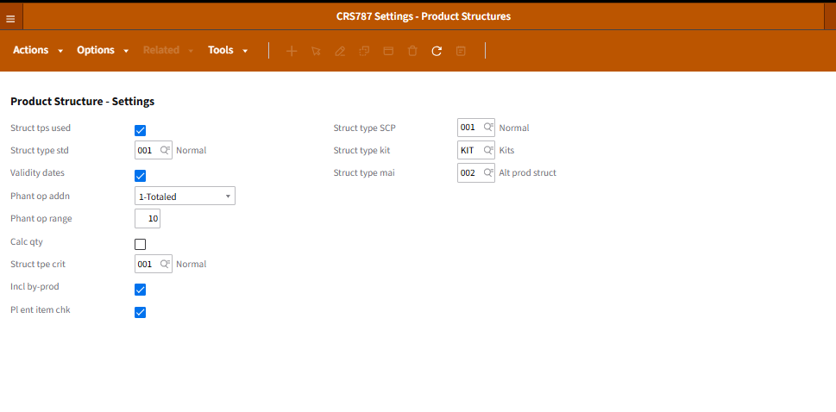
CRS087 - Product Structures

Stp | Description
001 | Normal Product Structure
002 | Alternate Product Structure
KIT | Kit Product Structure
RCC | RCCP Product Structure

CRS787 Settings - Product Structures

